Data Plots
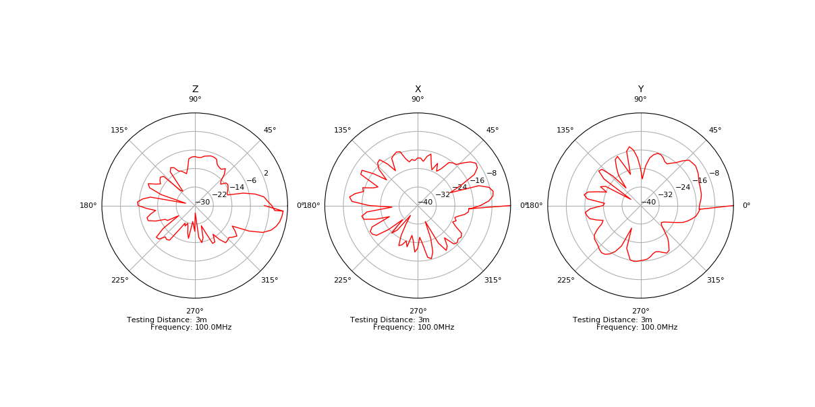
Data Collection Plots
Date: | 2017-12-20
DUT Label:
DUT Serial Number:

